Report
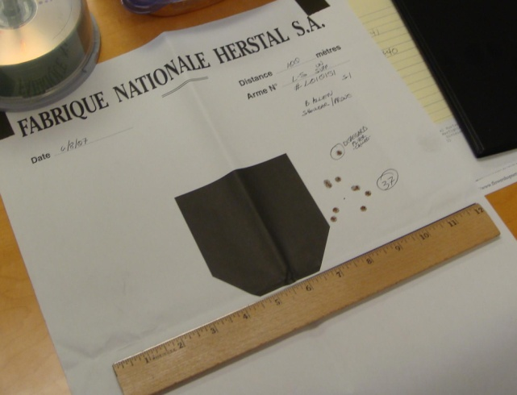
 | Shooter: | Jeff Johnson | Statistics:
 | Date: | 2009-01-13 | Extreme Spread X: |  | 2
 | Range: | Hulbert Field | Extreme Spread Y: |  | 2
 | Temperature: | Ambient (50°F to 95°F) | Extreme Spread Group: |  | 1
 | Target Distance: | 100 | Mean Radius Group: |  | 3
 | Shots Fired: | 20 | Sigma X: |  | 2
 | Weapon: | Glock 19 Jet 192 | Sigma Y: |  | 2
 | Serial #: | 8AZK018 | Furthest Left: |  | 2
 | Caliber: | 0.45 cal | Furthest Right: |  | 3
 | Lot # | 59A | Highest Rount: |  | 1
 | Projectile Mass: | 10 | Lowest Round: |  | 1
Shot Plot |  |  | Shot Record
 |  |  | # | X | Y
 | Test |  | CEP Top |  | CEP Bottom
 |  | 30 | 60 | 30 | 60
 |  | 31.5 | 69.09198238 | 31.5 | 50.90801762
 |  | 33 | 72.6920881 | 33 | 47.3079119
 |  | 34.5 | 75.338672375 | 34.5 | 44.661327625
 |  | 36 | 77.470588235 | 36 | 42.529411765
 |  | 37.5 | 79.25951322 | 37.5 | 40.74048678
 |  | 39 | 80.794159248 | 39 | 39.205840752
 |  | 40.5 | 82.127496047 | 40.5 | 37.872503953
 |  | 42 | 83.294117647 | 42 | 36.705882353
 |  | 43.5 | 84.318029644 | 43.5 | 35.681970356
 |  | 45 | 85.216622051 | 45 | 34.783377949
 |  | 46.5 | 86.002890277 | 46.5 | 33.997109723
 |  | 48 | 86.686764341 | 48 | 33.313235659
 |  | 49.5 | 87.27594714 | 49.5 | 32.72405286
 |  | 51 | 87.776464982 | 51 | 32.223535018
 |  | 52.5 | 88.193040535 | 52.5 | 31.806959465
 |  | 54 | 88.529351122 | 54 | 31.470648878
 |  | 55.5 | 88.788209903 | 55.5 | 31.211790097
 |  | 57 | 88.971693022 | 57 | 31.028306978
 |  | 58.5 | 89.081227223 | 58.5 | 30.918772777
 |  | 60 | 89.117647059 | 60 | 30.882352941
 |  | 61.5 | 89.081227223 | 61.5 | 30.918772777
 |  | 63 | 88.971693022 | 63 | 31.028306978
 |  | 64.5 | 88.788209903 | 64.5 | 31.211790097
 |  | 66 | 88.529351122 | 66 | 31.470648878
33.00 | 75.00 | 67.5 | 88.193040535 | 67.5 | 31.806959465
43.00 | 28.00 | 69 | 87.776464982 | 69 | 32.223535018
37.00 | 70.00 | 70.5 | 87.27594714 | 70.5 | 32.72405286
39.00 | 47.00 | 72 | 86.686764341 | 72 | 33.313235659
74.00 | 58.00 | 73.5 | 86.002890277 | 73.5 | 33.997109723
78.00 | 12.00 | 75 | 85.216622051 | 75 | 34.783377949
171.00 | 144.00 | 76.5 | 84.318029644 | 76.5 | 35.681970356
174.00 | 270.00 | 78 | 83.294117647 | 78 | 36.705882353
102.00 | 261.00 | 79.5 | 82.127496047 | 79.5 | 37.872503953
153.00 | 78.00 | 81 | 80.794159248 | 81 | 39.205840752
42.00 | 276.00 | 82.5 | 79.25951322 | 82.5 | 40.74048678
57.00 | 117.00 | 84 | 77.470588235 | 84 | 42.529411765
90.00 | 24.00 | 85.5 | 75.338672375 | 85.5 | 44.661327625
72.00 | 156.00 | 87 | 72.6920881 | 87 | 47.3079119
45.00 | 70.00 | 88.5 | 69.09198238 | 88.5 | 50.90801762
255.00 | 155.00 | 90 | 60 | 90 | 60
75.00 | 150.00
100.00 | 170.00
305.00 | 100.00
35.00 | 205.00
 |  |  | 1 | 33 | 75
 |  |  | 2 | 43 | 28
 |  |  | 3 | 37 | 70
 |  |  | 4 | 39 | 47
 |  |  | 5 | 74 | 58
 |  |  | 6 | 78 | 12
 |  |  | 7 | 171 | 144
 |  |  | 8 | 174 | 270
 |  |  | 9 | 102 | 261
 |  |  | 10 | 153 | 78
 |  |  | 11 | 42 | 276
 |  |  | 12 | 57 | 117
 |  |  | 13 | 90 | 24
 |  |  | 14 | 72 | 156
 |  |  | 15 | 45 | 70
 |  |  | 16 | 255 | 155
 |  |  | 17 | 75 | 150
 |  |  | 18 | 100 | 170
 |  |  | 19 | 305 | 100
 |  |  | 20 | 35 | 205
 |  |  | 21
 |  |  | 22
 |  |  | 23
 |  |  | 24
 |  |  | 25
 |  |  | 26
 |  |  | 27
 |  |  | 28
 |  |  | 29
 |  |  | 30
Notes |  |  | 31
 |  |  | 32
 |  |  | 33
 |  |  | 34
 |  |  | 35
 |  |  | 36
 |  |  | 37
 |  |  | 38
 |  |  | 39
 |  |  | 40
 |  |  | 41
 |  |  | 42
 |  |  | 43
 |  |  | 44
 |  |  | 45
 |  |  | 46
 |  |  | 47
 |  |  | 48
 |  |  | 49
 |  |  | 50
 |  |  | 51
 |  |  | 52

